IQSCDATAFLOW
IQSC DATA FLOW 2014
DRAFT

\\RIFE\QuadraMed_DI_Extract\Load09
Dsn=
QuadraMedCache3

File Saved to SFT Server for Customer Delivery
DISLWAREHOUSE
Customer MS Access Database 'PUDF' File
Data Exported to Quadramed Server for Matching

Reference Table Updates
SSIS Packages still seem to be connecting to DISQLWAREHOUSE
Data Source=DISQLWAREHOUSE;Initial Catalog=Reference_Table
Data Source=DISQLWAREHOUSE;Initial Catalog=Datainit
\\Web01

CMS CSV Files

3M Grouper Software
C:\3mhis\3M Core Grouping Software\

Documents Copied to Production and Test
QV TEST WEST

QEdit_Staging
DFWHC Staging Database
IQSC
Data Warehouse
'\\QUINCY\QlikView'
QV01
Document Server

QEdit Staging ETL Process
Output CSV Files to Server \\HV10\DropBox\AHRQ_Files\DI_Data\
QV02
Web Server
THCIC Database

Software Installed Locally
DFWHC FTP Web Server
AHRQ Indicator Builds
WKS126
SAS Programs
Customer
License
HV10

Customer Request, Internal Research, Information Release
--Custom Reports
--KPIs
--QA Release Packets
--POCs
--Modeling

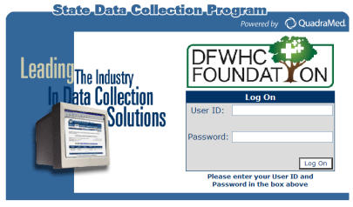
THCIC Load Files Received Quarterly

Sheet2
